Calculator
United Inch Best Practices - Calculator |  |  |  |  | 1. Enter your vendor's united inch price for storm or replacement windows.
 |  |  |  |  | 2. Enter the setup library's square foot price for storm or replacement windows.
 |  |  |  |  | 3. Enter the window width in inches.
 | UoM |  |  |  | 4. Enter the window height in inches.
Storm Wind. | UI | 1.71 | Contract Price
Storm Wind. | Sq ft | 7.18 | Setup Library |  | The calculator displays the difference between the united inch contract price and the setup library's square foot cost. Enter this amount in NEAT's, Windows tab.

Convert Setup Library Sq' cost to United Inches
Window Width in inches |  |  | 31
Window Height in inches |  |  | 43
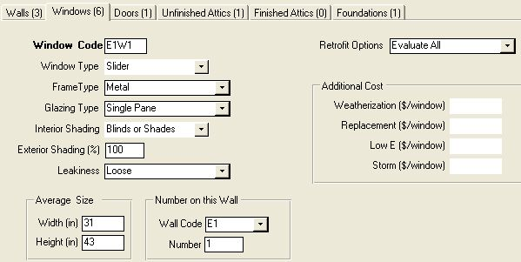
Setup Library Sq ft. cost |  |  | 66.46 | NEAT Storm Window entry
 |  |  |  | 60.08
Contract Price United inch cost |  |  | 126.54

 | UoM
LowE Wind. | UI | 3.67 | Contract Price
LowE Wind. | Sq ft | 20.16 | Setup Library

Convert Setup Library Sq' cost to United Inches
Window Width in inches |  |  | 31
Window Height in inches |  |  | 43

Setup Library Sq ft. cost |  |  | 186.62 | NEAT LowE Window entry
 |  |  |  | 84.96
Contract Price United inch cost |  |  | 271.58

